Math
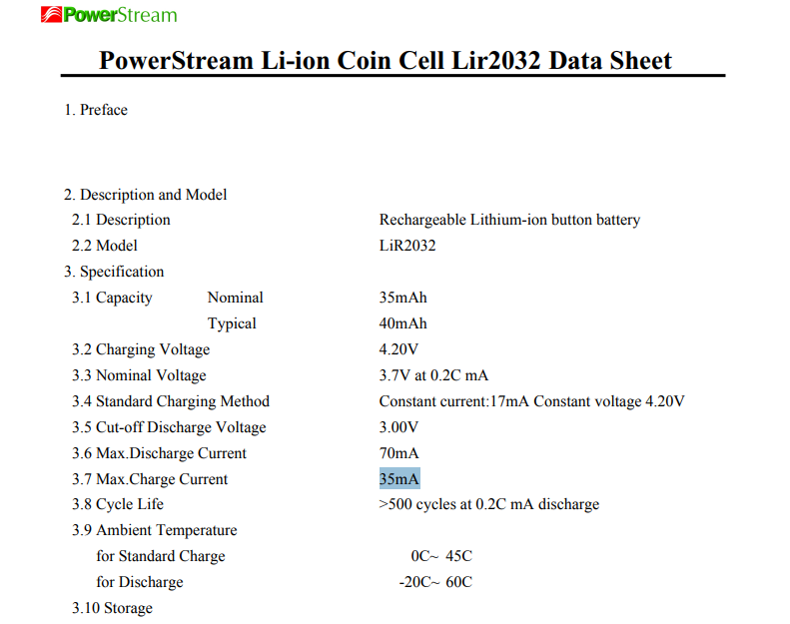
Programming Resistor |  |  |  |  |  | LIR2032:
Item | Value | Units
R_Prog | 50.5 | kOhm
I_Reg | 19.801980198 | mA | beneath the 35mA max charge current
Capacity | 40 | mAh
time to full | 2.02 | hours

Voltage Ladder Part 1 - finding Resistances at Max charge
Item | Value | Units
Current | 0.01 | mA
R_TOT | 420 | kOhms
V1 | 4.2 | V
V2 | 3 | V
GROUND | 0 | V
R1 | 120 | kOhms
R2 | 300 | kOhms

TTD | 4000
 | 166.66666667

Voltage Ladder Part 2 - Finding voltages at Min charge
Item | Value | Units
Current | 0.01 | mA
R_TOT | 367 | kOhms
R1 | 118 | kOhms
R2 | 249 | kOhms
V1 | 3 | V
V2 | 1.82 | V
GROUND | 0 | V

 |  |  |  |  |  | MCP73832T-2ACI_OT
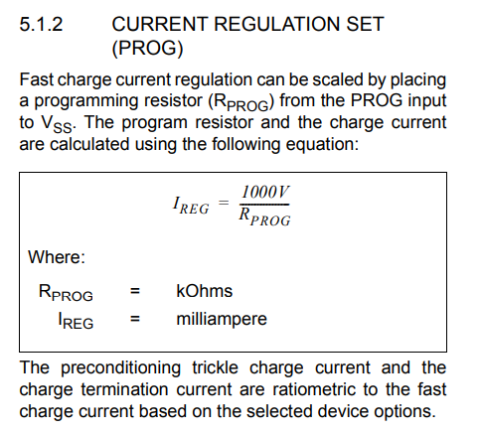

Voltage Ladder Part 3 - Finding voltages at random charge
Item | Value | Units
Current | 0.010326975477 | mA
R_TOT | 367 | kOhms
R1 | 118 | kOhms
R2 | 249 | kOhms
V1 | 3.79 | V
GROUND | 0 | V
V2 | 2.5714168937 | V

 | 86% | 14%

 | V1 | V2 | V3
 | 3.79 | 2.49 | 0

 | 849.09
 | 0.83 | 82.17

 |  |  | 860 | 83.225806452 | 8
 |  |  |  |  | 3

